Fibreglass Volumes
Order Form 2025 - Fibreglass Volumes |  |  | Pcs : | 0 | 0 | 0 | 0 | 0 | 0 | 0 | 0 | 0 | 0 | 0 | 0 | 0 | 0 | 0 | Pcs Total: |  |  | 0
 |  |  |  | VIOLET 4003 (Euro Purple) | BLUE 13-01 | RED 11-12 | YELLOW 15-12 | PURPLE 07-13 (NA Purple) | GREEN 16-16 | ORANGE 14-01 | PINK 11-26 (Euro Pink) | LIME GREEN 16-09 | BLACK | WHITE | FLUO GREEN | FLUO PINK (N.A. Pink) | FLUO YELLOW (No match) | FLUO ORANGE | Sets Total: |  |  | 0
 |  |  |  |  |  |  |  |  |  |  |  |  |  |  |  |  |  |  | Price Total: |  |  | $0.00
 | Product | No. of volumes | Price CAD |  |  |  |  |  |  |  |  |  |  |  |  |  |  |  | Sets | Pcs | Price CAD
ROUNDED SHAPES
 | SHELLS / V.001 | 5 | $440.00 |  |  |  |  |  |  |  |  |  |  |  |  |  |  |  | 0 | 0 | $0.00

 | VACUUMS / V.002 | 5 | $625.00 |  |  |  |  |  |  |  |  |  |  |  |  |  |  |  | 0 | 0 | $0.00

 | HYBRIDS / V.004 | 4 | $565.00 |  |  |  |  |  |  |  |  |  |  |  |  |  |  |  | 0 | 0 | $0.00

 | PLASMIDS / V.005 | 3 | $580.00 |  |  |  |  |  |  |  |  |  |  |  |  |  |  |  | 0 | 0 | $0.00

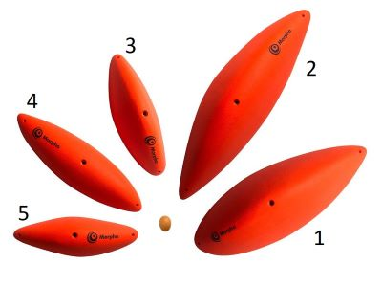 | PINCHES / V.007 | 5 | $1,175.00 |  |  |  |  |  |  |  |  |  |  |  |  |  |  |  | 0 | 0 | $0.00
 | No. 1 | 1 | $320.00 |  |  |  |  |  |  |  |  |  |  |  |  |  |  |  |  | 0 | $0.00
 | No. 2 | 1 | $320.00 |  |  |  |  |  |  |  |  |  |  |  |  |  |  |  |  | 0 | $0.00
 | No. 3 | 1 | $190.00 |  |  |  |  |  |  |  |  |  |  |  |  |  |  |  |  | 0 | $0.00
 | No. 4 | 1 | $190.00 |  |  |  |  |  |  |  |  |  |  |  |  |  |  |  |  | 0 | $0.00
 | No. 5 | 1 | $155.00 |  |  |  |  |  |  |  |  |  |  |  |  |  |  |  |  | 0 | $0.00
 | BLOBS / V.008 | 3 | $800.00 |  |  |  |  |  |  |  |  |  |  |  |  |  |  |  | 0 | 0 | $0.00
 | No. 1 | 1 | $285.00 |  |  |  |  |  |  |  |  |  |  |  |  |  |  |  |  | 0 | $0.00
 | No. 2 | 1 | $265.00 |  |  |  |  |  |  |  |  |  |  |  |  |  |  |  |  | 0 | $0.00 | Color of the shiny part:
 | No. 3 | 1 | $250.00 |  |  |  |  |  |  |  |  |  |  |  |  |  |  |  |  | 0 | $0.00 | Black | White | Single color
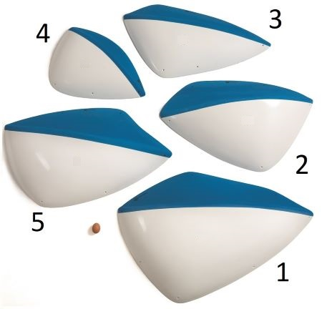 | THE SHIELDS | 5 | $2,645.00 |  |  |  |  |  |  |  |  |  |  |  |  |  |  |  | 0 | 0 | $0.00
 | DUAL TEXTURE/ V.013
 | No. 1 | 1 | $595.00 |  |  |  |  |  |  |  |  |  |  |  |  |  |  |  |  | 0 | $0.00
 | No. 2 | 1 | $540.00 |  |  |  |  |  |  |  |  |  |  |  |  |  |  |  |  | 0 | $0.00
 | No. 3 | 1 | $505.00 |  |  |  |  |  |  |  |  |  |  |  |  |  |  |  |  | 0 | $0.00
 | No. 4 | 1 | $410.00 |  |  |  |  |  |  |  |  |  |  |  |  |  |  |  |  | 0 | $0.00
 | No. 5 | 1 | $595.00 |  |  |  |  |  |  |  |  |  |  |  |  |  |  |  |  | 0 | $0.00
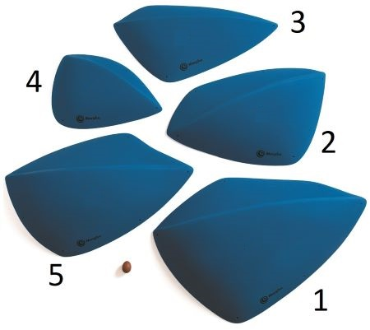 | THE SHIELDS | 5 | $2,060.00 |  |  |  |  |  |  |  |  |  |  |  |  |  |  |  | 0 | 0 | $0.00
 | FULL TEXTURE/ V.014
 | No. 1 | 1 | $475.00 |  |  |  |  |  |  |  |  |  |  |  |  |  |  |  |  | 0 | $0.00
 | No. 2 | 1 | $410.00 |  |  |  |  |  |  |  |  |  |  |  |  |  |  |  |  | 0 | $0.00
 | No. 3 | 1 | $390.00 |  |  |  |  |  |  |  |  |  |  |  |  |  |  |  |  | 0 | $0.00
 | No. 4 | 1 | $310.00 |  |  |  |  |  |  |  |  |  |  |  |  |  |  |  |  | 0 | $0.00
 | No. 5 | 1 | $475.00 |  |  |  |  |  |  |  |  |  |  |  |  |  |  |  |  | 0 | $0.00
SPHERES
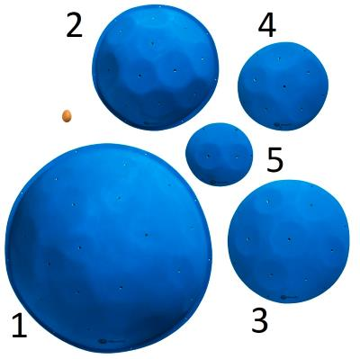 | ORBS / V.015 | 5 | $1,840.00 |  |  |  |  |  |  |  |  |  |  |  |  |  |  |  | 0 | 0 | $0.00
 | No. 1 | 1 | $745.00 |  |  |  |  |  |  |  |  |  |  |  |  |  |  |  |  | 0 | $0.00
 | No. 2 | 1 | $430.00 |  |  |  |  |  |  |  |  |  |  |  |  |  |  |  |  | 0 | $0.00
 | No. 3 | 1 | $315.00 |  |  |  |  |  |  |  |  |  |  |  |  |  |  |  |  | 0 | $0.00
 | No. 4 | 1 | $200.00 |  |  |  |  |  |  |  |  |  |  |  |  |  |  |  |  | 0 | $0.00
 | No. 5 | 1 | $150.00 |  |  |  |  |  |  |  |  |  |  |  |  |  |  |  |  | 0 | $0.00
 | SPHERES / V.016 | 3 | $575.00 |  |  |  |  |  |  |  |  |  |  |  |  |  |  |  | 0 | 0 | $0.00

 | BALLS / V.017 | 3 | $460.00 |  |  |  |  |  |  |  |  |  |  |  |  |  |  |  | 0 | 0 | $0.00

 | ORBITALS / V.018 | 6 | $925.00 |  |  |  |  |  |  |  |  |  |  |  |  |  |  |  | 0 | 0 | $0.00
 | No. 1 | 3 | $320.00 |  |  |  |  |  |  |  |  |  |  |  |  |  |  |  |  | 0 | $0.00
 | No. 2 | 3 | $605.00 |  |  |  |  |  |  |  |  |  |  |  |  |  |  |  |  | 0 | $0.00

 | 3-GLOBE / V.019 | 3 | $1,455.00 |  |  |  |  |  |  |  |  |  |  |  |  |  |  |  | 0 | 0 | $0.00

 | HEMISPHERE / V.020 | 1 | $600.00 |  |  |  |  |  |  |  |  |  |  |  |  |  |  |  | 0 | 0 | $0.00

CUBIC SHAPES
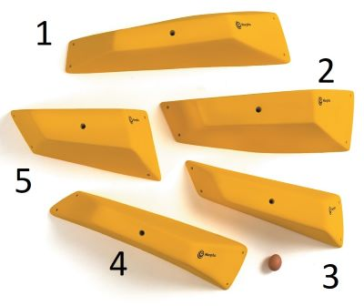 | BRICKS / V.022 | 5 | $1,415.00 |  |  |  |  |  |  |  |  |  |  |  |  |  |  |  | 0 | 0 | $0.00
 | No. 1 | 1 | $300.00 |  |  |  |  |  |  |  |  |  |  |  |  |  |  |  |  | 0 | $0.00
 | No. 2 | 1 | $300.00 |  |  |  |  |  |  |  |  |  |  |  |  |  |  |  |  | 0 | $0.00
 | No. 3 | 1 | $265.00 |  |  |  |  |  |  |  |  |  |  |  |  |  |  |  |  | 0 | $0.00
 | No. 4 | 1 | $275.00 |  |  |  |  |  |  |  |  |  |  |  |  |  |  |  |  | 0 | $0.00
 | No. 5 | 1 | $275.00 |  |  |  |  |  |  |  |  |  |  |  |  |  |  |  |  | 0 | $0.00
 | GEMS / V.023 | 5 | $695.00 |  |  |  |  |  |  |  |  |  |  |  |  |  |  |  | 0 | 0 | $0.00

MINI PYRAMIDS
 | PRISMS / V.025 | 4 | $520.00 |  |  |  |  |  |  |  |  |  |  |  |  |  |  |  | 0 | 0 | $0.00

 | DELTOIDS / V.026 | 4 | $515.00 |  |  |  |  |  |  |  |  |  |  |  |  |  |  |  | 0 | 0 | $0.00

 | EPSILONS / V.027 | 4 | $545.00 |  |  |  |  |  |  |  |  |  |  |  |  |  |  |  | 0 | 0 | $0.00

 | TRAPEZIUS / V.028 | 5 | $610.00 |  |  |  |  |  |  |  |  |  |  |  |  |  |  |  | 0 | 0 | $0.00

MEDIUM SIZED PYRAMIDS
 | SIRIUS / V.029 | 5 | $975.00 |  |  |  |  |  |  |  |  |  |  |  |  |  |  |  | 0 | 0 | $0.00
 |  |  |  |  |  |  |  |  |  |  |  |  |  |  |  |  |  |  |  | 0 | $0.00
 |  |  |  |  |  |  |  |  |  |  |  |  |  |  |  |  |  |  |  | 0 | $0.00
 |  |  |  |  |  |  |  |  |  |  |  |  |  |  |  |  |  |  |  | 0 | $0.00
 | POLARIS / V.030 | 3 | $715.00 |  |  |  |  |  |  |  |  |  |  |  |  |  |  |  | 0 | 0 | $0.00
 |  |  |  |  |  |  |  |  |  |  |  |  |  |  |  |  |  |  |  | 0 | $0.00
 |  |  |  |  |  |  |  |  |  |  |  |  |  |  |  |  |  |  |  | 0 | $0.00

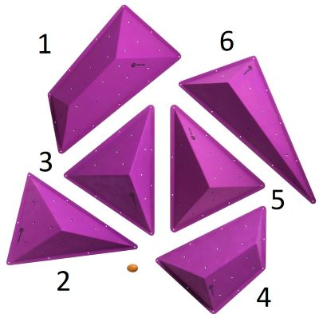 | CENTAURI / V.031 | 6 | $1,775.00 |  |  |  |  |  |  |  |  |  |  |  |  |  |  |  | 0 | 0 | $0.00
 | No. 1 | 1 | $350.00 |  |  |  |  |  |  |  |  |  |  |  |  |  |  |  |  | 0 | $0.00
 | No. 2 | 1 | $265.00 |  |  |  |  |  |  |  |  |  |  |  |  |  |  |  |  | 0 | $0.00
 | No. 3 | 1 | $265.00 |  |  |  |  |  |  |  |  |  |  |  |  |  |  |  |  | 0 | $0.00
 | No. 4 | 1 | $265.00 |  |  |  |  |  |  |  |  |  |  |  |  |  |  |  |  | 0 | $0.00
 | No. 5 | 1 | $265.00 |  |  |  |  |  |  |  |  |  |  |  |  |  |  |  |  | 0 | $0.00
 | No. 6 | 1 | $365.00 |  |  |  |  |  |  |  |  |  |  |  |  |  |  |  |  | 0 | $0.00
LARGE PYRAMIDS
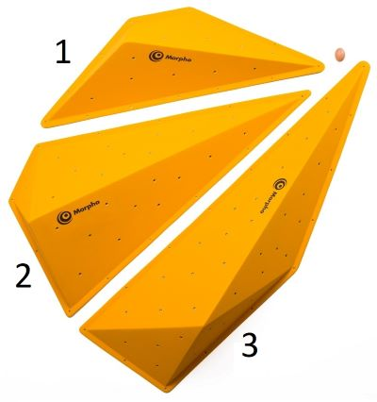 | ALGEBRAS / V.033 | 3 | $1,620.00 |  |  |  |  |  |  |  |  |  |  |  |  |  |  |  | 0 | 0 | $0.00
 | No. 1 | 1 | $435.00 |  |  |  |  |  |  |  |  |  |  |  |  |  |  |  |  | 0 | $0.00
 | No. 2 | 1 | $550.00 |  |  |  |  |  |  |  |  |  |  |  |  |  |  |  |  | 0 | $0.00
 | No. 3 | 1 | $635.00 |  |  |  |  |  |  |  |  |  |  |  |  |  |  |  |  | 0 | $0.00

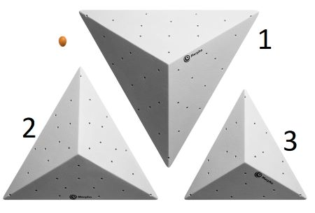 | PITAGORAS / V.034 | 3 | $1,345.00 |  |  |  |  |  |  |  |  |  |  |  |  |  |  |  | 0 | 0 | $0.00
 | No. 1 | 1 | $535.00 |  |  |  |  |  |  |  |  |  |  |  |  |  |  |  |  | 0 | $0.00
 | No. 2 | 1 | $455.00 |  |  |  |  |  |  |  |  |  |  |  |  |  |  |  |  | 0 | $0.00
 | No. 3 | 1 | $355.00 |  |  |  |  |  |  |  |  |  |  |  |  |  |  |  |  | 0 | $0.00

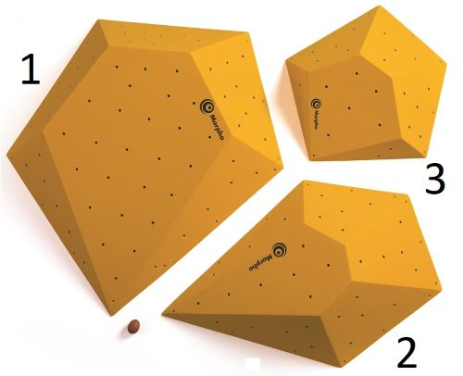 | THEOREMS / V.035 | 3 | $1,725.00 |  |  |  |  |  |  |  |  |  |  |  |  |  |  |  | 0 | 0 | $0.00
 | No. 1 | 1 | $795.00 |  |  |  |  |  |  |  |  |  |  |  |  |  |  |  |  | 0 | $0.00
 | No. 2 | 1 | $530.00 |  |  |  |  |  |  |  |  |  |  |  |  |  |  |  |  | 0 | $0.00
 | No. 3 | 1 | $400.00 |  |  |  |  |  |  |  |  |  |  |  |  |  |  |  |  | 0 | $0.00

2022
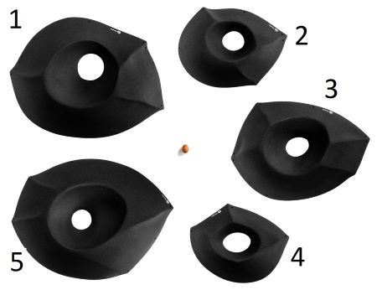 | HUECOS XL / V.042 | 5 | $2,195.00 |  |  |  |  |  |  |  |  |  |  |  |  |  |  |  | 0 | 0 | $0.00
 | No. 1 | 1 | $565.00 |  |  |  |  |  |  |  |  |  |  |  |  |  |  |  |  | 0 | $0.00
 | No. 2 | 1 | $335.00 |  |  |  |  |  |  |  |  |  |  |  |  |  |  |  |  | 0 | $0.00
 | No. 3 | 1 | $430.00 |  |  |  |  |  |  |  |  |  |  |  |  |  |  |  |  | 0 | $0.00
 | No. 4 | 1 | $300.00 |  |  |  |  |  |  |  |  |  |  |  |  |  |  |  |  | 0 | $0.00
 | No. 5 | 1 | $565.00 |  |  |  |  |  |  |  |  |  |  |  |  |  |  |  |  | 0 | $0.00
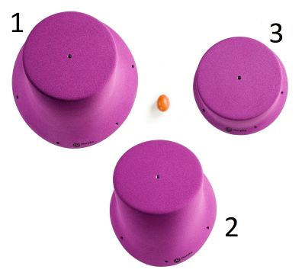 | TOPPERS / V.043 | 3 | $780.00 |  |  |  |  |  |  |  |  |  |  |  |  |  |  |  | 0 | 0 | $0.00
 | No. 1 | 1 | $300.00 |  |  |  |  |  |  |  |  |  |  |  |  |  |  |  |  | 0 | $0.00
 | No. 2 | 1 | $265.00 |  |  |  |  |  |  |  |  |  |  |  |  |  |  |  |  | 0 | $0.00
 | No. 3 | 1 | $215.00 |  |  |  |  |  |  |  |  |  |  |  |  |  |  |  |  | 0 | $0.00

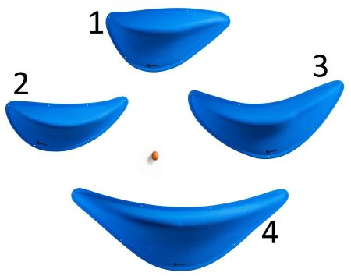 | RIDGES / V.044 | 4 | $1,375.00 |  |  |  |  |  |  |  |  |  |  |  |  |  |  |  | 0 | 0 | $0.00
 | No. 1 | 1 | $280.00 |  |  |  |  |  |  |  |  |  |  |  |  |  |  |  |  | 0 | $0.00
 | No. 2 | 1 | $280.00 |  |  |  |  |  |  |  |  |  |  |  |  |  |  |  |  | 0 | $0.00
 | No. 3 | 1 | $310.00 |  |  |  |  |  |  |  |  |  |  |  |  |  |  |  |  | 0 | $0.00
 | No. 4 | 1 | $505.00 |  |  |  |  |  |  |  |  |  |  |  |  |  |  |  |  | 0 | $0.00

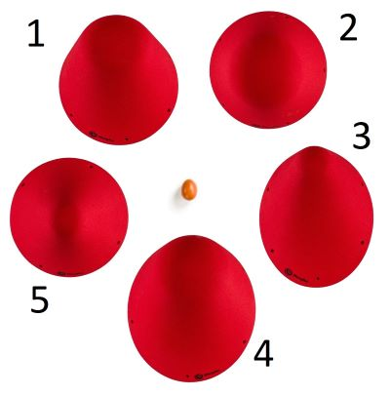 | CONES 01 - M / V.045 | 5 | $1,025.00 |  |  |  |  |  |  |  |  |  |  |  |  |  |  |  | 0 | 0 | $0.00
 | No. 1 | 1 | $205.00 |  |  |  |  |  |  |  |  |  |  |  |  |  |  |  |  | 0 | $0.00
 | No. 2 | 1 | $205.00 |  |  |  |  |  |  |  |  |  |  |  |  |  |  |  |  | 0 | $0.00
 | No. 3 | 1 | $205.00 |  |  |  |  |  |  |  |  |  |  |  |  |  |  |  |  | 0 | $0.00
 | No. 4 | 1 | $205.00 |  |  |  |  |  |  |  |  |  |  |  |  |  |  |  |  | 0 | $0.00
 | No. 5 | 1 | $205.00 |  |  |  |  |  |  |  |  |  |  |  |  |  |  |  |  | 0 | $0.00
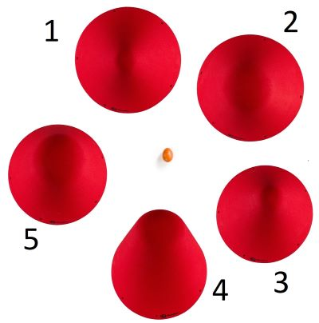 | CONES 02 - L / V.046 | 5 | $1,225.00 |  |  |  |  |  |  |  |  |  |  |  |  |  |  |  | 0 | 0 | $0.00
 | No. 1 | 1 | $245.00 |  |  |  |  |  |  |  |  |  |  |  |  |  |  |  |  | 0 | $0.00
 | No. 2 | 1 | $245.00 |  |  |  |  |  |  |  |  |  |  |  |  |  |  |  |  | 0 | $0.00
 | No. 3 | 1 | $245.00 |  |  |  |  |  |  |  |  |  |  |  |  |  |  |  |  | 0 | $0.00
 | No. 4 | 1 | $245.00 |  |  |  |  |  |  |  |  |  |  |  |  |  |  |  |  | 0 | $0.00
 | No. 5 | 1 | $245.00 |  |  |  |  |  |  |  |  |  |  |  |  |  |  |  |  | 0 | $0.00
 |  | 5 | $755.00 |  |  |  |  |  |  |  |  |  |  |  |  |  |  |  | 0 | 0 | $0.00
 | BLADES 01
 | FULLL TEXTURE/ V.048 |  |  |  |  |  |  |  |  |  |  |  |  |  |  |  |  |  |  |  |  | Color of the shiny part:
 |  |  |  |  |  |  |  |  |  |  |  |  |  |  |  |  |  |  |  |  |  | Black | White | Single color
 |  | 5 | $995.00 |  |  |  |  |  |  |  |  |  |  |  |  |  |  |  | 0 | 0 | $0.00
 | BLADES 01
 | DUAL TEXTURE/ V.049

 | BLADES 02 | 4 | $1,240.00 |  |  |  |  |  |  |  |  |  |  |  |  |  |  |  | 0 | 0 | $0.00
 | FULLL TEXTURE/ V.050
 | No. 1 | 1 | $310.00 |  |  |  |  |  |  |  |  |  |  |  |  |  |  |  |  | 0 | $0.00
 | No. 2 | 1 | $310.00 |  |  |  |  |  |  |  |  |  |  |  |  |  |  |  |  | 0 | $0.00
 | No. 3 | 1 | $310.00 |  |  |  |  |  |  |  |  |  |  |  |  |  |  |  |  | 0 | $0.00 | Color of the shiny part:
 | No. 4 | 1 | $310.00 |  |  |  |  |  |  |  |  |  |  |  |  |  |  |  |  | 0 | $0.00 | Black | White | Single color
 | BLADES 02 | 4 | $1,580.00 |  |  |  |  |  |  |  |  |  |  |  |  |  |  |  | 0 | 0 | $0.00
 | DUAL TEXTURE/ V.051
 | No. 1 | 1 | $395.00 |  |  |  |  |  |  |  |  |  |  |  |  |  |  |  |  | 0 | $0.00
 | No. 2 | 1 | $395.00 |  |  |  |  |  |  |  |  |  |  |  |  |  |  |  |  | 0 | $0.00
 | No. 3 | 1 | $395.00 |  |  |  |  |  |  |  |  |  |  |  |  |  |  |  |  | 0 | $0.00
 | No. 4 | 1 | $395.00 |  |  |  |  |  |  |  |  |  |  |  |  |  |  |  |  | 0 | $0.00
 | BLADES 03 | 2 | $990.00 |  |  |  |  |  |  |  |  |  |  |  |  |  |  |  | 0 | 0 | $0.00
 | FULLL TEXTURE/ V.052
 | No. 1 | 1 | $495.00 |  |  |  |  |  |  |  |  |  |  |  |  |  |  |  |  | 0 | $0.00
 | No. 2 | 1 | $495.00 |  |  |  |  |  |  |  |  |  |  |  |  |  |  |  |  | 0 | $0.00 | Color of the shiny part:
 |  |  |  |  |  |  |  |  |  |  |  |  |  |  |  |  |  |  |  |  |  | Black | White | Single color
 | BLADES 03 | 2 | $1,280.00 |  |  |  |  |  |  |  |  |  |  |  |  |  |  |  | 0 | 0 | $0.00
 | DUAL TEXTURE/ V.053
 | No. 1 | 1 | $640.00 |  |  |  |  |  |  |  |  |  |  |  |  |  |  |  |  | 0 | $0.00
 | No. 2 | 1 | $640.00 |  |  |  |  |  |  |  |  |  |  |  |  |  |  |  |  | 0 | $0.00

 | EDGIES 01 | 4 | $1,140.00 |  |  |  |  |  |  |  |  |  |  |  |  |  |  |  | 0 | 0 | $0.00
 | FULL TEXTURE/ V.054
 | No. 1 | 1 | $275.00 |  |  |  |  |  |  |  |  |  |  |  |  |  |  |  |  | 0 | $0.00
 | No. 2 | 1 | $320.00 |  |  |  |  |  |  |  |  |  |  |  |  |  |  |  |  | 0 | $0.00
 | No. 3 | 1 | $295.00 |  |  |  |  |  |  |  |  |  |  |  |  |  |  |  |  | 0 | $0.00 | Color of the shiny part:
 | No. 4 | 1 | $250.00 |  |  |  |  |  |  |  |  |  |  |  |  |  |  |  |  | 0 | $0.00 | Black | White | Single color
 | EDGIES 01 | 4 | $1,495.00 |  |  |  |  |  |  |  |  |  |  |  |  |  |  |  | 0 | 0 | $0.00
 | DUAL TEXTURE/ V.055
 | No. 1 | 1 | $370.00 |  |  |  |  |  |  |  |  |  |  |  |  |  |  |  |  | 0 | $0.00
 | No. 2 | 1 | $395.00 |  |  |  |  |  |  |  |  |  |  |  |  |  |  |  |  | 0 | $0.00
 | No. 3 | 1 | $380.00 |  |  |  |  |  |  |  |  |  |  |  |  |  |  |  |  | 0 | $0.00
 | No. 4 | 1 | $350.00 |  |  |  |  |  |  |  |  |  |  |  |  |  |  |  |  | 0 | $0.00
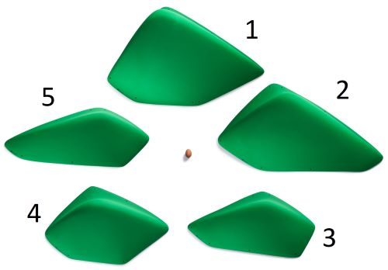 | EDGIES 02 | 5 | $2,360.00 |  |  |  |  |  |  |  |  |  |  |  |  |  |  |  | 0 | 0 | $0.00
 | FULL TEXTURE / V.056
 | No. 1 | 1 | $580.00 |  |  |  |  |  |  |  |  |  |  |  |  |  |  |  |  | 0 | $0.00
 | No. 2 | 1 | $530.00 |  |  |  |  |  |  |  |  |  |  |  |  |  |  |  |  | 0 | $0.00
 | No. 3 | 1 | $380.00 |  |  |  |  |  |  |  |  |  |  |  |  |  |  |  |  | 0 | $0.00
 | No. 4 | 1 | $450.00 |  |  |  |  |  |  |  |  |  |  |  |  |  |  |  |  | 0 | $0.00 | Color of the shiny part:
 | No. 5 | 1 | $420.00 |  |  |  |  |  |  |  |  |  |  |  |  |  |  |  |  | 0 | $0.00 | Black | White | Single color
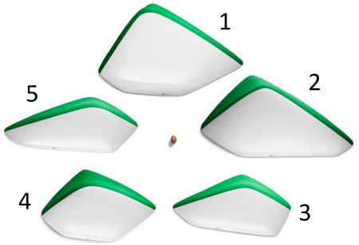 | EDGIES 02 | 5 | $2,935.00 |  |  |  |  |  |  |  |  |  |  |  |  |  |  |  | 0 | 0 | $0.00
 | DUAL TEXTURE / V.057
 | No. 1 | 1 | $725.00 |  |  |  |  |  |  |  |  |  |  |  |  |  |  |  |  | 0 | $0.00
 | No. 2 | 1 | $660.00 |  |  |  |  |  |  |  |  |  |  |  |  |  |  |  |  | 0 | $0.00
 | No. 3 | 1 | $475.00 |  |  |  |  |  |  |  |  |  |  |  |  |  |  |  |  | 0 | $0.00
 | No. 4 | 1 | $560.00 |  |  |  |  |  |  |  |  |  |  |  |  |  |  |  |  | 0 | $0.00
 | No. 5 | 1 | $515.00 |  |  |  |  |  |  |  |  |  |  |  |  |  |  |  |  | 0 | $0.00
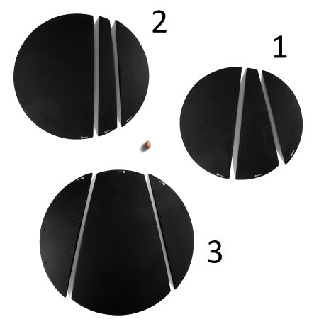 | SPLITTERS | 9 | $1,600.00 |  |  |  |  |  |  |  |  |  |  |  |  |  |  |  | 0 | 0 | $0.00
 | FULL TEXTURE/ V.058
 | No. 1 | 3 | $455.00 |  |  |  |  |  |  |  |  |  |  |  |  |  |  |  |  | 0 | $0.00
 | No. 2 | 3 | $505.00 |  |  |  |  |  |  |  |  |  |  |  |  |  |  |  |  | 0 | $0.00
 | No. 3 | 3 | $640.00 |  |  |  |  |  |  |  |  |  |  |  |  |  |  |  |  | 0 | $0.00

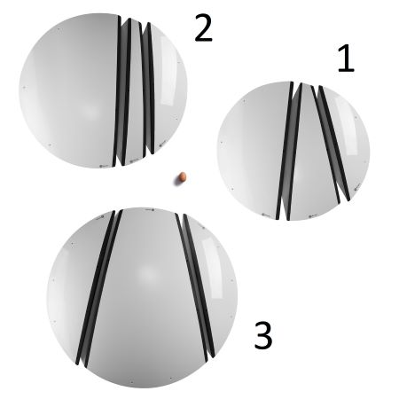 | SPLITTERS | 9 | $2,360.00 |  |  |  |  |  |  |  |  |  |  |  |  |  |  |  | 0 | 0 | $0.00
 | DUAL TEXTURE/ V.059
 | No. 1 | 3 | $650.00 |  |  |  |  |  |  |  |  |  |  |  |  |  |  |  |  | 0 | $0.00
 | No. 2 | 3 | $765.00 |  |  |  |  |  |  |  |  |  |  |  |  |  |  |  |  | 0 | $0.00
 | No. 3 | 3 | $945.00 |  |  |  |  |  |  |  |  |  |  |  |  |  |  |  |  | 0 | $0.00

 | WAVES | 6 | $1,985.00 |  |  |  |  |  |  |  |  |  |  |  |  |  |  |  | 0 | 0 | $0.00
 | FULL TEXTURE/ V.060
 | No. 1 | 1 | $195.00 |  |  |  |  |  |  |  |  |  |  |  |  |  |  |  |  | 0 | $0.00
 | No. 2 | 1 | $505.00 |  |  |  |  |  |  |  |  |  |  |  |  |  |  |  |  | 0 | $0.00
 | No. 3 | 1 | $465.00 |  |  |  |  |  |  |  |  |  |  |  |  |  |  |  |  | 0 | $0.00
 | No. 4 | 1 | $230.00 |  |  |  |  |  |  |  |  |  |  |  |  |  |  |  |  | 0 | $0.00
 | No. 5 | 1 | $395.00 |  |  |  |  |  |  |  |  |  |  |  |  |  |  |  |  | 0 | $0.00
 | No. 6 | 1 | $195.00 |  |  |  |  |  |  |  |  |  |  |  |  |  |  |  |  | 0 | $0.00
 | WAVES | 6 | $2,665.00 |  |  |  |  |  |  |  |  |  |  |  |  |  |  |  | 0 | 0 | $0.00
 | DUAL TEXTURE/ V.061
 | No. 1 | 1 | $260.00 |  |  |  |  |  |  |  |  |  |  |  |  |  |  |  |  | 0 | $0.00
 | No. 2 | 1 | $695.00 |  |  |  |  |  |  |  |  |  |  |  |  |  |  |  |  | 0 | $0.00
 | No. 3 | 1 | $595.00 |  |  |  |  |  |  |  |  |  |  |  |  |  |  |  |  | 0 | $0.00
 | No. 4 | 1 | $295.00 |  |  |  |  |  |  |  |  |  |  |  |  |  |  |  |  | 0 | $0.00
 | No. 5 | 1 | $555.00 |  |  |  |  |  |  |  |  |  |  |  |  |  |  |  |  | 0 | $0.00
 | No. 6 | 1 | $265.00 |  |  |  |  |  |  |  |  |  |  |  |  |  |  |  |  | 0 | $0.00
2023 |  |  |  |  |  |  |  |  |  |  |  |  |  |  |  |  |  |  |  |  |  | Black | White | Single color
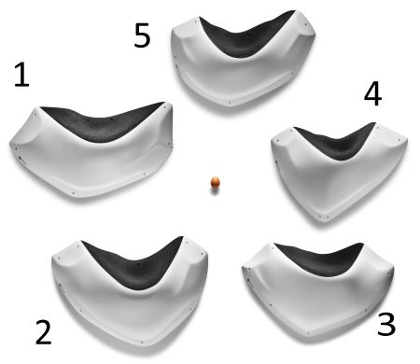 | SLOPE STARS | 5 | $2,100.00 |  |  |  |  |  |  |  |  |  |  |  |  |  |  |  | 0 | 0 | $0.00
 | DUAL TEXTURE/ V.062
 | No. 1 | 1 | $450.00 |  |  |  |  |  |  |  |  |  |  |  |  |  |  |  |  | 0 | $0.00
 | No. 2 | 1 | $450.00 |  |  |  |  |  |  |  |  |  |  |  |  |  |  |  |  | 0 | $0.00
 | No. 3 | 1 | $400.00 |  |  |  |  |  |  |  |  |  |  |  |  |  |  |  |  | 0 | $0.00
 | No. 4 | 1 | $400.00 |  |  |  |  |  |  |  |  |  |  |  |  |  |  |  |  | 0 | $0.00
 | No. 5 | 1 | $400.00 |  |  |  |  |  |  |  |  |  |  |  |  |  |  |  |  | 0 | $0.00
 | SLOPE STARS | 5 | $1,745.00 |  |  |  |  |  |  |  |  |  |  |  |  |  |  |  | 0 | 0 | $0.00
 | FULL TEXTURE/ V.063
 | No. 1 | 1 | $385.00 |  |  |  |  |  |  |  |  |  |  |  |  |  |  |  |  | 0 | $0.00
 | No. 2 | 1 | $385.00 |  |  |  |  |  |  |  |  |  |  |  |  |  |  |  |  | 0 | $0.00
 | No. 3 | 1 | $325.00 |  |  |  |  |  |  |  |  |  |  |  |  |  |  |  |  | 0 | $0.00
 | No. 4 | 1 | $325.00 |  |  |  |  |  |  |  |  |  |  |  |  |  |  |  |  | 0 | $0.00 | Color of the shiny part:
 | No. 5 | 1 | $325.00 |  |  |  |  |  |  |  |  |  |  |  |  |  |  |  |  | 0 | $0.00 | Black | White | Single color
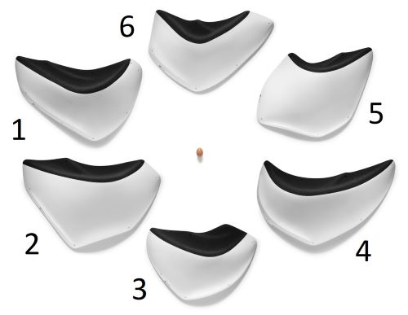 | WAVE RIDERS | 6 | $1,745.00 |  |  |  |  |  |  |  |  |  |  |  |  |  |  |  | 0 | 0 | $0.00
 | DUAL TEXTURE/ V.064
 | No. 1 | 1 | $550.00 |  |  |  |  |  |  |  |  |  |  |  |  |  |  |  |  | 0 | $0.00
 | No. 2 | 1 | $575.00 |  |  |  |  |  |  |  |  |  |  |  |  |  |  |  |  | 0 | $0.00
 | No. 3 | 1 | $440.00 |  |  |  |  |  |  |  |  |  |  |  |  |  |  |  |  | 0 | $0.00
 | No. 4 | 1 | $555.00 |  |  |  |  |  |  |  |  |  |  |  |  |  |  |  |  | 0 | $0.00
 | No. 5 | 1 | $475.00 |  |  |  |  |  |  |  |  |  |  |  |  |  |  |  |  | 0 | $0.00
 | No. 6 | 1 | $455.00 |  |  |  |  |  |  |  |  |  |  |  |  |  |  |  |  | 0 | $0.00
 | WAVE RIDERS | 6 | $3,050.00 |  |  |  |  |  |  |  |  |  |  |  |  |  |  |  | 0 | 0 | $0.00
 | FULL TEXTURE/ V.065
 | No. 1 | 1 | $455.00 |  |  |  |  |  |  |  |  |  |  |  |  |  |  |  |  | 0 | $0.00
 | No. 2 | 1 | $475.00 |  |  |  |  |  |  |  |  |  |  |  |  |  |  |  |  | 0 | $0.00
 | No. 3 | 1 | $360.00 |  |  |  |  |  |  |  |  |  |  |  |  |  |  |  |  | 0 | $0.00
 | No. 4 | 1 | $455.00 |  |  |  |  |  |  |  |  |  |  |  |  |  |  |  |  | 0 | $0.00
 | No. 5 | 1 | $390.00 |  |  |  |  |  |  |  |  |  |  |  |  |  |  |  |  | 0 | $0.00 | Color of the shiny part:
 | No. 6 | 1 | $375.00 |  |  |  |  |  |  |  |  |  |  |  |  |  |  |  |  | 0 | $0.00 | Black | White | Single color
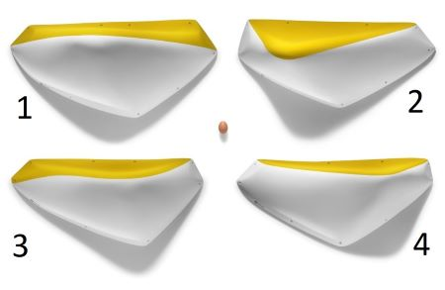 | LEDGES | 4 | $1,955.00 |  |  |  |  |  |  |  |  |  |  |  |  |  |  |  | 0 | 0 | $0.00
 | DUAL TEXTURE/ V.066
 | No. 1 | 1 | $530.00 |  |  |  |  |  |  |  |  |  |  |  |  |  |  |  |  | 0 | $0.00
 | No. 2 | 1 | $495.00 |  |  |  |  |  |  |  |  |  |  |  |  |  |  |  |  | 0 | $0.00
 | No. 3 | 1 | $465.00 |  |  |  |  |  |  |  |  |  |  |  |  |  |  |  |  | 0 | $0.00
 | No. 4 | 1 | $465.00 |  |  |  |  |  |  |  |  |  |  |  |  |  |  |  |  | 0 | $0.00
 | LEDGES | 4 | $1,505.00 |  |  |  |  |  |  |  |  |  |  |  |  |  |  |  | 0 | 0 | $0.00
 | FULL TEXTURE/ V.067
 | No. 1 | 1 | $395.00 |  |  |  |  |  |  |  |  |  |  |  |  |  |  |  |  | 0 | $0.00
 | No. 2 | 1 | $380.00 |  |  |  |  |  |  |  |  |  |  |  |  |  |  |  |  | 0 | $0.00
 | No. 3 | 1 | $365.00 |  |  |  |  |  |  |  |  |  |  |  |  |  |  |  |  | 0 | $0.00 | Color of the shiny part:
 | No. 4 | 1 | $365.00 |  |  |  |  |  |  |  |  |  |  |  |  |  |  |  |  | 0 | $0.00 | Black | White | Single color
 |  | 9 | $2,395.00 |  |  |  |  |  |  |  |  |  |  |  |  |  |  |  | 0 | 0 | $0.00
 | CRATERS
 | DUAL TEXTURE/ V.068

2024-2025
 |  | 8 | $1,455.00 |  |  |  |  |  |  |  |  |  |  |  |  |  |  |  | 0 | 0 | $0.00
 | CLINCH NEW!
 | DUAL TEXTURE/ V.069

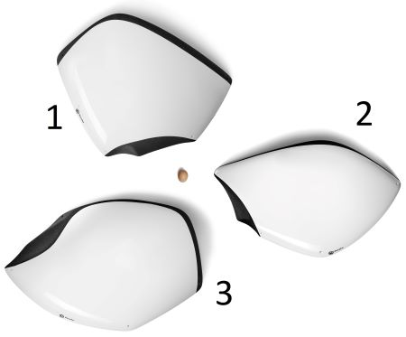 | FLIPPERS | 3 | $1,725.00 |  |  |  |  |  |  |  |  |  |  |  |  |  |  |  | 0 | 0 | $0.00
 | DUAL TEXTURE/ V.070
 | No. 1 | 1 | $565.00 |  |  |  |  |  |  |  |  |  |  |  |  |  |  |  |  | 0 | $0.00
 | No. 2 | 1 | $565.00 |  |  |  |  |  |  |  |  |  |  |  |  |  |  |  |  | 0 | $0.00
 | No. 3 | 1 | $595.00 |  |  |  |  |  |  |  |  |  |  |  |  |  |  |  |  | 0 | $0.00
 | FLIPPERS | 3 | $1,305.00 |  |  |  |  |  |  |  |  |  |  |  |  |  |  |  | 0 | 0 | $0.00
 | FULL TEXTURE/ V.071
 | No. 1 | 1 | $430.00 |  |  |  |  |  |  |  |  |  |  |  |  |  |  |  |  | 0 | $0.00
 | No. 2 | 1 | $430.00 |  |  |  |  |  |  |  |  |  |  |  |  |  |  |  |  | 0 | $0.00 | Color of the shiny part:
 | No. 3 | 1 | $445.00 |  |  |  |  |  |  |  |  |  |  |  |  |  |  |  |  | 0 | $0.00 | Black | White | Single color
 |  | 8 | $2,445.00 |  |  |  |  |  |  |  |  |  |  |  |  |  |  |  | 0 | 0 | $0.00
 | RAILS 01 NEW!
 | DUAL TEXTURE/ V.072

 |  | 8 | $1,995.00 |  |  |  |  |  |  |  |  |  |  |  |  |  |  |  | 0 | 0 | $0.00
 | RAILS 01 NEW!
 | FULL TEXTURE/ V.073 |  |  |  |  |  |  |  |  |  |  |  |  |  |  |  |  |  |  |  |  | Color of the shiny part:
 |  |  |  |  |  |  |  |  |  |  |  |  |  |  |  |  |  |  |  |  |  | Black | White | Single color
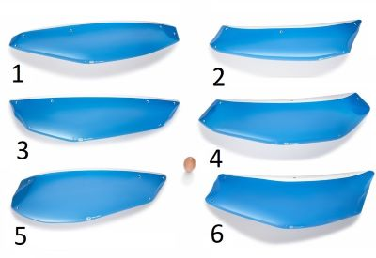 | RAILS 02 | 6 | $2,365.00 |  |  |  |  |  |  |  |  |  |  |  |  |  |  |  | 0 | 0 | $0.00
 | DUAL TEXTURE/ V.074
 | No. 1 | 1 | $390.00 |  |  |  |  |  |  |  |  |  |  |  |  |  |  |  |  | 0 | $0.00
 | No. 2 | 1 | $375.00 |  |  |  |  |  |  |  |  |  |  |  |  |  |  |  |  | 0 | $0.00
 | No. 3 | 1 | $390.00 |  |  |  |  |  |  |  |  |  |  |  |  |  |  |  |  | 0 | $0.00
 | No. 4 | 1 | $390.00 |  |  |  |  |  |  |  |  |  |  |  |  |  |  |  |  | 0 | $0.00
 | No. 5 | 1 | $410.00 |  |  |  |  |  |  |  |  |  |  |  |  |  |  |  |  | 0 | $0.00
 | No. 6 | 1 | $410.00 |  |  |  |  |  |  |  |  |  |  |  |  |  |  |  |  | 0 | $0.00
 | RAILS 02 | 6 | $1,870.00 |  |  |  |  |  |  |  |  |  |  |  |  |  |  |  | 0 | 0 | $0.00
 | FULL TEXTURE/ V.075
 | No. 1 | 1 | $310.00 |  |  |  |  |  |  |  |  |  |  |  |  |  |  |  |  | 0 | $0.00
 | No. 2 | 1 | $290.00 |  |  |  |  |  |  |  |  |  |  |  |  |  |  |  |  | 0 | $0.00
 | No. 3 | 1 | $310.00 |  |  |  |  |  |  |  |  |  |  |  |  |  |  |  |  | 0 | $0.00
 | No. 4 | 1 | $310.00 |  |  |  |  |  |  |  |  |  |  |  |  |  |  |  |  | 0 | $0.00
 | No. 5 | 1 | $325.00 |  |  |  |  |  |  |  |  |  |  |  |  |  |  |  |  |  |  | Color of the shiny part:
 | No. 6 | 1 | $325.00 |  |  |  |  |  |  |  |  |  |  |  |  |  |  |  |  | 0 | $0.00 | Black | White | Single color
 |  | 6 | $1,700.00 |  |  |  |  |  |  |  |  |  |  |  |  |  |  |  | 0 | 0 | $0.00
 | BEANS 01 NEW!
 | DUAL TEXTURE/ V.076

 |  | 6 | $1,370.00 |  |  |  |  |  |  |  |  |  |  |  |  |  |  |  | 0 | 0 | $0.00
 | BEANS 01 NEW!
 | FULL TEXTURE/ V.077 |  |  |  |  |  |  |  |  |  |  |  |  |  |  |  |  |  |  |  |  | Color of the shiny part:
 |  |  |  |  |  |  |  |  |  |  |  |  |  |  |  |  |  |  |  |  |  | Black | White | Single color
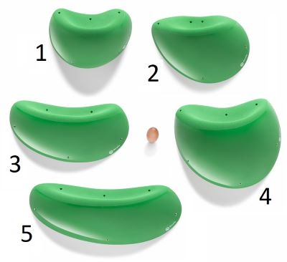 | BEANS 02 | 5 | $1,845.00 |  |  |  |  |  |  |  |  |  |  |  |  |  |  |  | 0 | 0 | $0.00
 | DUAL TEXTURE/ V.078
 | No. 1 | 1 | $310.00 |  |  |  |  |  |  |  |  |  |  |  |  |  |  |  |  | 0 | $0.00
 | No. 2 | 1 | $360.00 |  |  |  |  |  |  |  |  |  |  |  |  |  |  |  |  | 0 | $0.00
 | No. 3 | 1 | $360.00 |  |  |  |  |  |  |  |  |  |  |  |  |  |  |  |  | 0 | $0.00
 | No. 4 | 1 | $425.00 |  |  |  |  |  |  |  |  |  |  |  |  |  |  |  |  | 0 | $0.00
 | No. 5 | 1 | $390.00 |  |  |  |  |  |  |  |  |  |  |  |  |  |  |  |  | 0 | $0.00
 | BEANS 02 | 5 | $1,430.00 |  |  |  |  |  |  |  |  |  |  |  |  |  |  |  | 0 | 0 | $0.00
 | FULL TEXTURE/ V.079
 | No. 1 | 1 | $245.00 |  |  |  |  |  |  |  |  |  |  |  |  |  |  |  |  | 0 | $0.00
 | No. 2 | 1 | $275.00 |  |  |  |  |  |  |  |  |  |  |  |  |  |  |  |  | 0 | $0.00
 | No. 3 | 1 | $275.00 |  |  |  |  |  |  |  |  |  |  |  |  |  |  |  |  | 0 | $0.00
 | No. 4 | 1 | $325.00 |  |  |  |  |  |  |  |  |  |  |  |  |  |  |  |  | 0 | $0.00 | Color of the shiny part:
 | No. 5 | 1 | $310.00 |  |  |  |  |  |  |  |  |  |  |  |  |  |  |  |  | 0 | $0.00 | Black | White | Single color
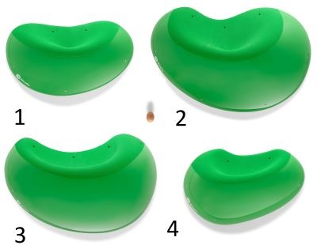 | BEANS 03 NEW! | 4 | $2,195.00 |  |  |  |  |  |  |  |  |  |  |  |  |  |  |  | 0 | 0 | $0.00
 | DUAL TEXTURE/ V.080
 | No. 1 | 1 | $475.00 |  |  |  |  |  |  |  |  |  |  |  |  |  |  |  |  | 0 | $0.00
 | No. 2 | 1 | $640.00 |  |  |  |  |  |  |  |  |  |  |  |  |  |  |  |  | 0 | $0.00
 | No. 3 | 1 | $605.00 |  |  |  |  |  |  |  |  |  |  |  |  |  |  |  |  | 0 | $0.00
 | No. 4 | 1 | $475.00 |  |  |  |  |  |  |  |  |  |  |  |  |  |  |  |  | 0 | $0.00
 | BEANS 03 NEW! | 4 | $1,730.00 |  |  |  |  |  |  |  |  |  |  |  |  |  |  |  | 0 | 0 | $0.00
 | FULL TEXTURE/ V.081
 | No. 1 | 1 | $375.00 |  |  |  |  |  |  |  |  |  |  |  |  |  |  |  |  | 0 | $0.00
 | No. 2 | 1 | $505.00 |  |  |  |  |  |  |  |  |  |  |  |  |  |  |  |  | 0 | $0.00
 | No. 3 | 1 | $475.00 |  |  |  |  |  |  |  |  |  |  |  |  |  |  |  |  | 0 | $0.00
 | No. 4 | 1 | $375.00 |  |  |  |  |  |  |  |  |  |  |  |  |  |  |  |  | 0 | $0.00

